Dashboard
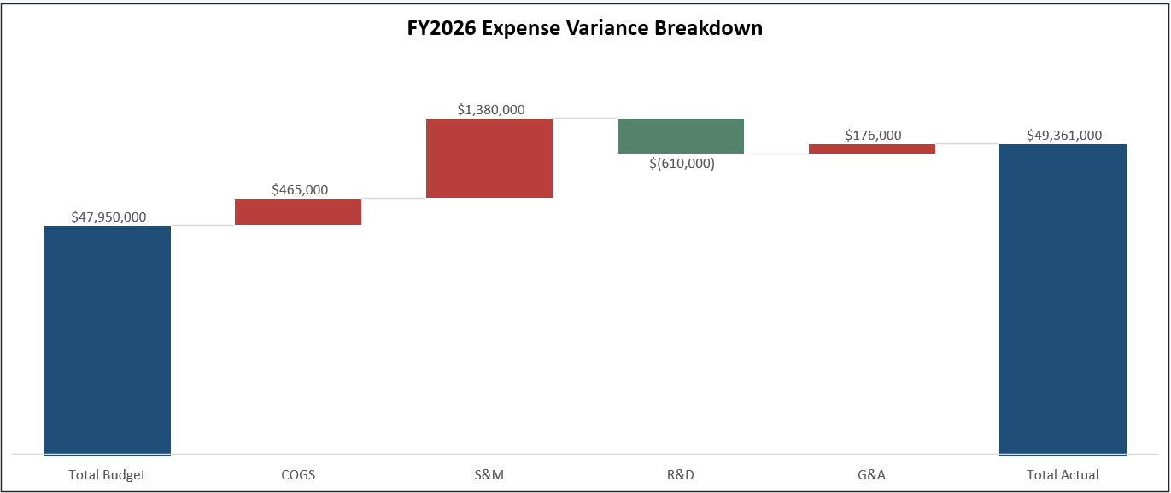
NorthBeam Analytics, Inc.

 | Total Budget |  | Total Actual | Total Variance |  |  | Status

 | 47,950,000 |  | 49,361,000 | 1,411,000 |  |  | Unfavorable

FY2026 Operating Expense: Budget vs. Actual
 | FY2026 Budget | FY2026 Actual
Cost of Revenue (COGS) | $10,030,000 | $10,495,000
Sales & Marketing | $20,350,000 | $21,730,000
Research & Development | $12,550,000 | $11,940,000
General & Administrative | $5,020,000 | $5,196,000
FY2026 Monthly Total Opex: Budget vs. Actual
 | FY2026 Budget | FY2026 Actual
Jan | $3,630,000 | $3,560,000
Feb | $3,640,000 | $3,600,000
Mar | $3,750,000 | $3,728,000
Apr | $3,770,000 | $3,770,000
May | $3,970,000 | $3,990,000
Jun | $3,890,000 | $3,975,000
Jul | $4,000,000 | $4,075,000
Aug | $4,210,000 | $4,463,000
Sep | $4,030,000 | $4,215,000
Oct | $4,190,000 | $4,590,000
Nov | $4,300,000 | $4,500,000
Dec | $4,570,000 | $4,895,000
 |  |  |  |  | Total Budget | $47,950,000
 |  | FY2026 Budget |  |  | COGS | $465,000
 |  | FY2026 Actual |  |  | S&M | $1,380,000
 |  |  |  |  | R&D | $(610,000)
 |  |  |  |  | G&A | $176,000
 |  |  |  |  | Total Actual | $49,361,000

